Instructions
 |  |  | NBTG & Full Color Event Badge Personalization Template

 | Follow the steps below to create a personalized template based on your printing specifications! Once these steps are completed, visit the List Template tab to add your attendee names and other information.

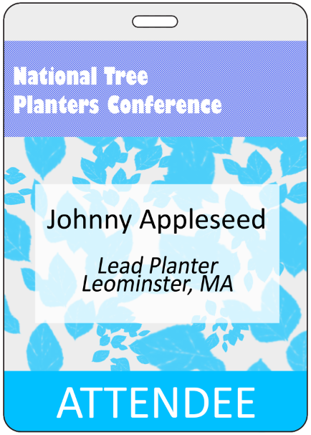

STEP 1) |  | Select your Sort Order for how you'd like the badges to be sorted when you receive them! | Sort Order of Attendees

STEP 2) |  | If you need separated groups of tags (I.E. Attendee separate from Media, etc.) choose Yes. | Multiple Groups/Lots | PERSONALIZATION COLUMNS

 |  |  |  | Each column in the List Template tab will correspond to specific lines or elements on your nametag or event badge. The columns in the image above for example, match the badge to the right for information listings.

STEP 3) |  | Choose the number of lines you'd like to be imprinted, and add descriptions of the field (I.E., First Name, Last Name, Title, etc.) | Number of Lines

 |  |  |  | PERSONALIZATION LINES

 |  |  |  | We can print various lines or text, ranging from simple Names, to title, company, or even attendee specific agendas! Text is printed as provided in your list and is case sensitive. If your entries are in all upper case, the badges will print the same.

 |  |  |  | COLOR BAR TITLES (Optional)

STEP 4) |  | Determine if you'd like Color Bar Titles, example shown to the right. | Color Bar Titles | By using your excel list and calling our a color bar and title, you can designate different attendee types for easy verification on-site at your event!

STEP 5) |  | Enter names and other information into the List Template tab. | Once you've entered your nametag information, provide this excel list to your salesperson along with any artwork or logos. Our art team will then create a digital proof of each nametag in your list to review prior to printing.

